ZDT1
default generation | 200 | true HV | 0.66616012487

Parameter Settings:
Algorithm: SPEA2(algorithm was free to run 500 generations)
significance value (α) =0.05
nPreGen = 30
nGenUnchanged = 10 (last 10 generations, we donot have significance difference; last 10 generations, p values are greater than 0.05)
run # | terminate generation | Evalution saves | HV_d - HV_t | HV percentage | Eps_d-Eps_t
0 | 187 | 1300 | 0.0016081406897 | 0.98366836608 | -4.03E-03
1 | 299 | -9900 | -0.0031665588963 | 0.99206811629 | 0.0031351622382
2 | 198 | 200 | 4.66E-06 | 0.98802086335 | 0
3 | 272 | -7200 | -0.0040099491829 | 0.99098020893 | 0.0035947162432
4 | 262 | -6200 | -0.0033441061808 | 0.99130369856 | 0.0028522046475
terminal generation: generetaion number(t^{th}) in which algorithm terminates
Evalutaion saves: (default generation - termination generation)*population size
HV_d - HV_t: Hypervolume (defalut generation) - Hypervolume (ternimation generation)
HV percentage: Hypervolume (terminal generation)/true Hypervolume
Eps_d - Eps_t: Epsilon (defalut generation) - epsilon (ternimation generation)
5 | 351 | -15100 | -0.0038278605456 | 0.99297231939 | 0.0036982122083
6 | 161 | 3900 | 0.0045017302078 | 0.98123283128 | -0.0027118335423
7 | 176 | 2400 | 0.0025505636519 | 0.98333739007 | -1.23E-03
8 | 194 | 600 | 3.74E-04 | 0.98799674686 | -6.44E-04
9 | 310 | -11000 | -0.0031671595 | 0.99238881468 | 6.25E-04
10 | 309 | -10900 | -0.0035445891427 | 0.99249046979 | 0.0012462163371
11 | 297 | -9700 | -0.0033105068824 | 0.99176246229 | 0.0032980982087
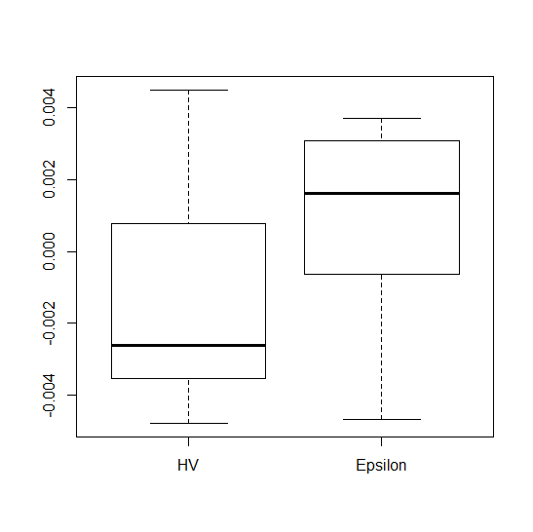
This files report the HVd, epsd, HVper, evaluation saves parameters for each problem (tabs) when comparing with 500 generations for SPEA2. Please note that this file is linked to "some results NSGAII.xlsx" file (in summary tab) to provided report for SPEA2.
12 | 237 | -3700 | -0.0017754674122 | 0.98890438295 | 0.0015353722018
13 | 185 | 1500 | 9.43E-04 | 0.98645413286 | -0.0015257764781
14 | 188 | 1200 | 0.0013039394727 | 0.98406834189 | -6.37E-04
15 | 240 | -4000 | -2.03E-03 | 0.98985493948 | 0.0028183815968
16 | 264 | -6400 | -0.0022938187334 | 0.99147126606 | 1.68E-03
17 | 226 | -2600 | -0.0012086064018 | 0.9898103171 | 0.0021832283043
18 | 292 | -9200 | -0.0035371720568 | 0.9916532173 | -8.97E-04
19 | 251 | -5100 | -0.0030434256234 | 0.99017417305 | 3.08E-03
20 | 384 | -18400 | -0.0029305775418 | 0.99298666245 | 0.0030787657959
21 | 170 | 3000 | 0.0035324539794 | 0.98223557899 | -0.0046952727691
22 | 290 | -9000 | -0.0038198372283 | 0.99161772761 | 0.0035105583022
23 | 320 | -12000 | -0.0038401717015 | 0.99251199708 | 0.0019484333158
24 | 304 | -10400 | -0.0042082368273 | 0.99195342478 | 0.002549594877
25 | 454 | -25400 | -0.0047917371922 | 0.99313747385 | 0.0031356004369
26 | 188 | 1200 | 7.89E-04 | 0.98657251136 | 5.05E-04
27 | 309 | -10900 | -0.0043742107403 | 0.99227775636 | 0.002183974805
28 | 163 | 3700 | 0.0027314405314 | 0.98468075499 | -3.66E-04
29 | 197 | 300 | 3.71E-04 | 0.98758988906 | -8.77E-04
 | total save evaluations | -167800 | average HV percentage | 0.98920589449

ZDT2
default generation | 200 | true HV | 0.33283355942

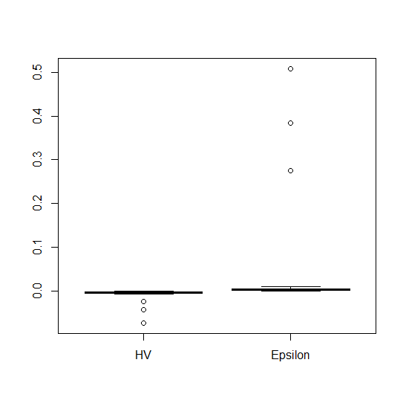
run # | terminate generation | Evalution saves | HV_d - HV_t | HV percentage | Eps_d-Eps_t
0 | 500 | -30000 | -7.10E-03 | 0.98687155332 | 3.85E-03
1 | 377 | -17700 | -0.0054879915949 | 0.98579873249 | 0.0089255436328
2 | 224 | -2400 | -0.0018891290528 | 0.97735059353 | 0.0012864690328
3 | 362 | -16200 | -0.0046902020487 | 0.98597451085 | 0.003578959661
4 | 241 | -4100 | -0.0031082596399 | 0.97854368409 | 0.0028690627424
5 | 238 | -3800 | -0.0028284535016 | 0.97952085395 | 0.0018742756195
6 | 348 | -14800 | -0.0033681664512 | 0.98598186337 | 0.0075921083604
7 | 356 | -15600 | -0.0041848665397 | 0.98546403612 | 0.0028288248501
8 | 478 | -27800 | -0.0051077269464 | 0.98638422356 | 0.002003906756
9 | 222 | -2200 | -0.0018933016597 | 0.97556672043 | 0.0018023002963
10 | 500 | -30000 | -0.073447463576 | 0.98666317702 | 0.50826848388
11 | 361 | -16100 | -0.0056860264373 | 0.98553140776 | 0.0045363711615
12 | 208 | -800 | -7.92E-04 | 0.96873515537 | 0.0010506487093
13 | 246 | -4600 | -0.0023925748875 | 0.9808135299 | 1.04E-03
14 | 335 | -13500 | -0.023779427084 | 0.98507853086 | 0.27444808152
15 | 500 | -30000 | -0.042948581326 | 0.98669203928 | 0.38361754664
16 | 215 | -1500 | -0.0010620422042 | 0.97663943111 | -1.08E-04
17 | 452 | -25200 | -0.0040581164969 | 0.9863237193 | 3.05E-03
18 | 495 | -29500 | -5.67E-03 | 0.98686091819 | 4.19E-03
19 | 311 | -11100 | -0.0045785567142 | 0.98454058785 | 7.12E-04
20 | 241 | -4100 | -3.14E-03 | 0.97953468928 | 6.65E-03
21 | 239 | -3900 | -0.002396430839 | 0.97640748134 | 5.20E-04
22 | 242 | -4200 | -0.0025513668168 | 0.97909581751 | 0.0018161567806
23 | 215 | -1500 | -0.0011126125379 | 0.97372841251 | -5.61E-04
24 | 202 | -200 | -3.00E-04 | 0.96836763273 | 4.79E-04
25 | 500 | -30000 | -0.0048248103643 | 0.98679324775 | 2.83E-03
26 | 260 | -6000 | -0.0033132330135 | 0.98111511542 | 3.80E-03
27 | 214 | -1400 | -1.44E-03 | 0.97149092471 | 8.17E-04
28 | 231 | -3100 | -2.27E-03 | 0.97704650283 | 0.0032910026702
29 | 500 | -30000 | -0.0062606415772 | 0.98681963302 | 0.0056122652139
 | total save evaluations | -381300 | average HV percentage | 0.98119115751

 |  |  | -0.073447463576 |  | -5.61E-04 | -5.61E-04
 |  |  | -0.0053929254328 |  | 0.0010489929762 | 0.0010489929762
 |  |  | -0.0033406997323 |  | 2.85E-03 | 0.0028489437963
 |  |  | -0.0022995423404 |  | 0.0048053446746 | 0.0048053446746
 |  |  | -0.00029951742651 |  | 5.08E-01 | 5.08E-01

 |  |  | 0 |  | 0
 |  |  | -0.073447463576 |  | 5.61E-04
 |  |  | 0.068054538143 |  | -1.61E-03
 |  |  | 0.0020522257004 |  | -1.80E-03
 |  |  | 0.0010411573919 |  | -1.96E-03
 |  |  | 0.0020000249139 |  | -5.03E-01

ZDT3
default generation | 200 | true HV | 0.51719187155

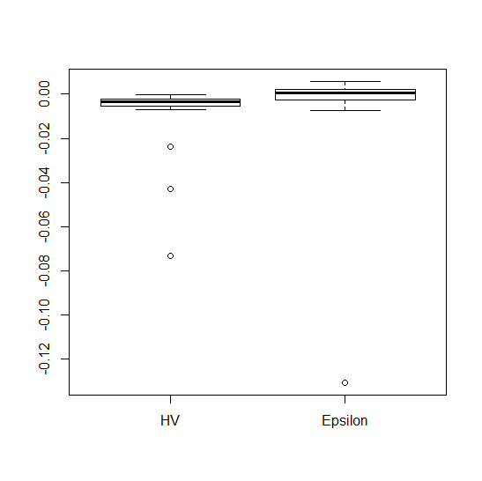
run # | terminate generation | Evalution saves | HV_d - HV_t | HV percentage | Eps_d-Eps_t
0 | 183 | 1700 | 0.0011006228276 | 0.98498031908 | -0.0022807006902
1 | 246 | -4600 | -1.87E-03 | 0.9941076636 | 0.0018337801287
2 | 217 | -1700 | -1.33E-03 | 0.99145550078 | 0.0017084341075
3 | 201 | -100 | -2.20E-06 | 0.9909918365 | 0
4 | 186 | 1400 | 6.15E-04 | 0.9872995901 | -1.95E-04
5 | 188 | 1200 | 0.0010190149574 | 0.98937507436 | 0.0022421997583
6 | 267 | -6700 | -0.0025244220975 | 0.99386890014 | 0.0027931703549
7 | 175 | 2500 | 0.0021026853766 | 0.98639010635 | -3.98E-04
8 | 407 | -20700 | -3.41E-03 | 0.99680188209 | 3.46E-03
9 | 168 | 3200 | 0.0030972900505 | 0.98249128723 | 9.07E-04
10 | 137 | 6300 | 0.0062424999286 | 0.97726358451 | -0.0075750863865
11 | 264 | -6400 | -0.0024320736288 | 0.99480255486 | 0.0043150980055
12 | 196 | 400 | 4.72E-04 | 0.98558242516 | 0.0011245762676
13 | 170 | 3000 | 0.0023982117002 | 0.98718614133 | -0.0037266454009
14 | 305 | -10500 | -0.0028868268287 | 0.99553218233 | 0.0020184466823
15 | 192 | 800 | 3.43E-04 | 0.9898154654 | -2.90E-03
16 | 176 | 2400 | 1.38E-03 | 0.98838050046 | -0.0058757895288
17 | 500 | -30000 | -0.0040576147848 | 0.99690654146 | 5.80E-03
18 | 198 | 200 | 1.75E-04 | 0.98876113016 | -1.21E-04
19 | 500 | -30000 | -0.0034322651013 | 0.99677839064 | 0.0010280245421
20 | 229 | -2900 | -0.0013586660044 | 0.99422898898 | 0.00232652242
21 | 175 | 2500 | 0.0018912660886 | 0.9864002556 | -0.0053253045065
22 | 81 | 11900 | 0.077068485577 | 0.84076958932 | -0.13072853269
23 | 333 | -13300 | -0.0024912901447 | 0.99628767809 | 0.0011887513924
24 | 160 | 4000 | 0.004637490908 | 0.98177786701 | -0.0048468769373
25 | 210 | -1000 | -3.36E-04 | 0.99071389524 | 6.16E-04
26 | 187 | 1300 | 1.34E-03 | 0.98739408625 | -1.44E-03
27 | 245 | -4500 | -0.0019885325853 | 0.99332450696 | -0.0027000402398
28 | 237 | -3700 | -0.0021781471561 | 0.99336681266 | 0.0024655135084
29 | 379 | -17900 | -0.0048503293868 | 0.99628966584 | 3.99E-03
 | total save evaluations | -111200 | average HV percentage | 0.98531081408

 |  |  | -0.0048503293868 |  | -0.13072853269
 |  |  | -0.0023685920106 |  | -0.0025952053524
 |  |  | 8.6634067526E-05 |  | 0.00076171336567
 |  |  | 0.0013713860752 |  | 0.0021862614893
 |  |  | 0.077068485577 |  | 0.0058036199421

 |  |  | 0 |  | 0
 |  |  | -0.0048503293868 |  | -0.13072853269
 |  |  | 0.0024817373761 |  | 0.12813332734
 |  |  | 0.0024552260782 |  | 0.0033569187181
 |  |  | 0.0012847520077 |  | 0.0014245481236
 |  |  | 0.075697099502 |  | 0.0036173584528

ZDT6
default generation | 200 | true HV | 0.40590724234
Average Hausdroff Distance for run # 1
 | 0.17156754132
 | 0.20204710453
 | 0.08956558868
 | 0.1081294178
 | 0.09682779166
 | 0.10086447661
 | 0.51020747528
 | 0.42786826314
 | 0.32428357014
 | 0.40038366961
 | 0.13537824486
 | 0.18591112635
 | 0.1902658613
 | 0.40809719888
 | 0.0078597262531
 | 0.47878180614
 | 0.29138796015
 | 0.098562690682
 | 0.33402412638
 | 0.30906755179
 | 0.29513435767
 | 0.086292389553
 | 0.1466247131
 | 0.087274701017
 | 0.015975826642
 | 0.078923843198
 | 0.055791479143
 | 0.22725246247
 | 0.033660729008
 | 0.083521192726
 | 0.11837059623
 | 0.00689943127
 | 0.0084518622464
 | 0.11247295128
 | 0.21077111937
 | 0.082969604918
 | 0.06797210016
 | 0.19065482053
 | 0.19762441704
 | 0.0061943751927
 | 0.056752028964
 | 0.12027486347
 | 0.084394088092
 | 0.068737358034
 | 0.13817620829
 | 0.12257404238
 | 0.054653496692
 | 0.096626499378
 | 0.088679390565
 | 0.06214116638
...
run # | terminate generation | Evalution saves | HV_d - HV_t | HV percentage | Eps_d-Eps_t
0 | 500 | -30000 | -0.052562910934 | 0.98621106674 | 0.050445725143
1 | 485 | -28500 | -0.052154470503 | 0.98552362524 | 0.048536956978
2 | 379 | -17900 | -0.055870275938 | 0.97835564476 | 0.066177501915
3 | 330 | -13000 | -0.056467233628 | 0.96654353184 | 0.066082616068
4 | 95 | 10500 | 0.34419771759 | 0.001279260429 | -0.75205895691
5 | 63 | 13700 | 0.35214984981 | 0 | -1.8171025606
6 | 500 | -30000 | -0.043185204476 | 0.98719976284 | 0.049336616955
7 | 83 | 11700 | 0.35056229547 | 0 | -1.0579869865
8 | 413 | -21300 | -0.053915309736 | 0.9812702429 | 0.062112186008
9 | 95 | 10500 | 0.34333287596 | 8.11E-04 | -0.79446630272
10 | 408 | -20800 | -0.046002002918 | 0.97808268218 | 0.051458381567
11 | 394 | -19400 | -0.040161443742 | 0.97945612154 | 0.042373727246
12 | 453 | -25300 | -0.045006256772 | 0.98408757295 | 0.049940598405
13 | 329 | -12900 | -0.045265185474 | 0.9707188903 | 0.043822562974
14 | 441 | -24100 | -0.048466838736 | 0.98362343323 | 0.058738885451
15 | 420 | -22000 | -0.036392798984 | 0.98239973062 | 0.035848818266
16 | 85 | 11500 | 0.34568891545 | 5.76E-04 | -0.74558394147
17 | 500 | -30000 | -0.062620656458 | 0.98582699348 | 0.057637636294
I expect that this one should be terminated around 180th generation but this is terminated at 60th generaton. I am struggling to detect this early cervegence. Any sugesstions?
18 | 324 | -12400 | -0.034067335602 | 0.97025510617 | 0.038578777962
19 | 500 | -30000 | -0.046753188922 | 0.9871146414 | 0.050764843379
20 | 500 | -30000 | -0.047551986701 | 0.98633969803 | 0.050366316356
21 | 339 | -13900 | -0.031374658351 | 0.9738425837 | 0.041224855189
22 | 500 | -30000 | -0.052540770967 | 0.98703722876 | 0.046482406097
23 | 341 | -14100 | -0.04064330769 | 0.97205738712 | 0.043003504241
24 | 328 | -12800 | -0.036736966102 | 0.96930044338 | 0.037041761378
25 | 500 | -30000 | -0.057982371002 | 0.9861871369 | 0.068682376238
26 | 442 | -24200 | -0.064187282186 | 0.98239454767 | 7.35E-02
27 | 100 | 10000 | 0.29915674635 | 0.14294338525 | -0.50295094018
28 | 352 | -15200 | -0.038003018247 | 0.97438656293 | 0.039898329049
29 | 500 | -30000 | -0.049165828066 | 0.98653018304 | 0.056495673803
 | total save evaluations | -469900 | average HV percentage | 0.78901180554

